J-1503020-11-New Pest Mgmt Rec
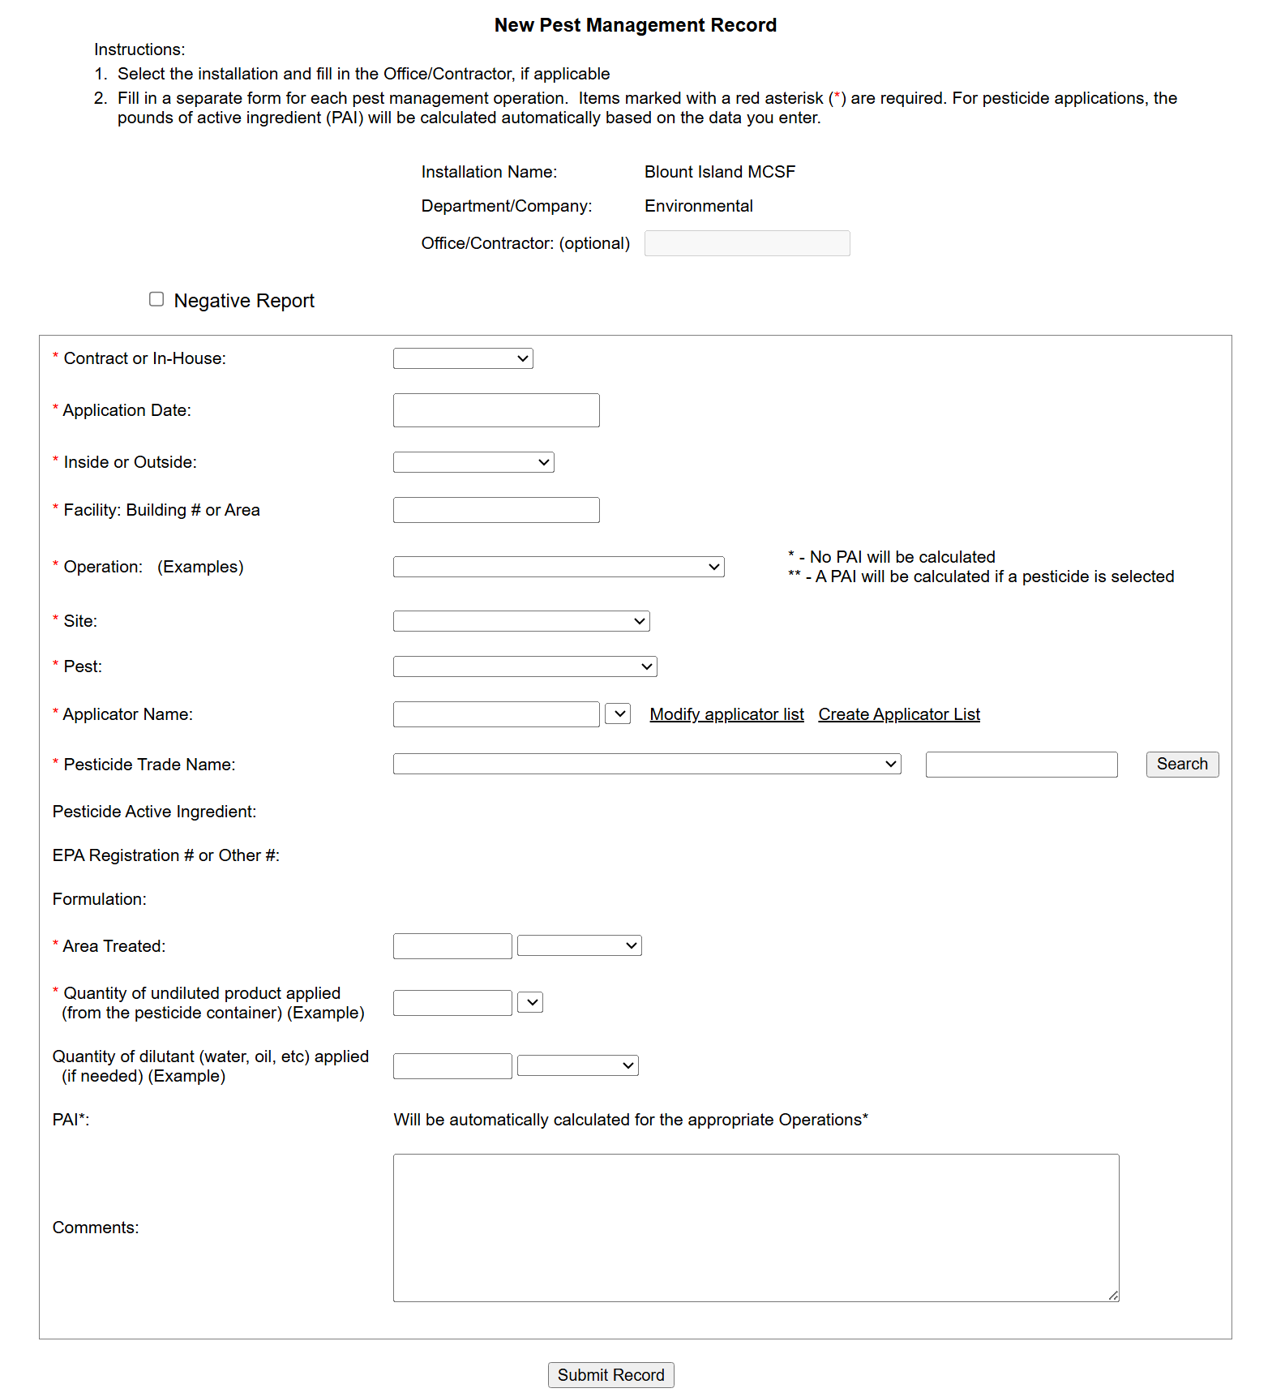
Attachment J-1503020-11 (MCSF-BI)
Sample New Pest Management Record

